Budget Narrative
Formula Factors

In 2026/27, Hackney has continued its policy of following the National Funding Formula (NFF) for all factors other than AWPU which continues to be provided at a higher rate. There is now a national requirement that any factor that doesn't mirror the NFF (+/-2.5%) must move 10% closer to the NFF than it was in 2025/26. The AWPU in Hackney for 2026/27 will be paid at the highest allowable and affordable rate, which is more than last year but the 'premium' over the NFF is reduced to meet the aforementioned requirement. The rates that you see on the budget template will differ from figures you may read about the NFF in the media as there is a national NFF rate that applies across the country but this is then subject to the 'area cost adjustment' which in some cases increases the rate. As Hackney is an inner London borough we have a much higher than average area cost adjustment.

In summary, the formula rates are all the same as the NFF apart from the AWPU which is higher than the NFF to the greatest allowable and affordable extent.

Minimum Funding Guarantee

The minimum funding guarantee is central to a full understanding of the school budget in Hackney. The purpose of the MFG for many years now has been to protect the average amount of funding received by a school per pupil from one year to another, it does not protect the total budget from changes in pupil numbers. In the published school budget, the MFG mandated minimum budget for the 66 mainstream schools and acdemies in Hackney is £239,964,782. The actual distribution is £242,337,505, an increase of just £2,372,723 which is caused by the policy of having an AWPU in excess of the NFF which has the effect of transferring funding from the MFG to the AWPU and in some cases lifting schools off the MFG. As the overall funding in Hackney is determined by the MFG rather than the rest of the NFF, the increases in funding per pupil seen by Hackney schools fall short of the headline rate increases in the NFF that are sometimes reported in the media. The calculation steps of the MFG are shown on the Budget Summary tab. It is important to note that in 2026/27 as in some previous years there are 'rolled in' grants. These relate to grants that were paid separately in 2025/26 but are being rolled into the DSG in 2026/27 so they get added to the school budget from last year for the purposes of calculating the MFG. The lump sum is removed from the calculation as every school receives it so it doesn't get protected and national non domestic rates are removed as every school is funded at cost every year.

Old Year Comparisson

The Budget Summary tab includes a table to compare the 2026/27 budget allocation to the 2025/26 formula and 'rolled in' grants combined. This table shows how your total funding has changed on each factor and compares the total per pupil between the years.

National Non Domestic Rates

National Non Domestic Rates are included in the budget at cost for all schools. In 2026/27 Hackney will continue to use the new system of having this cost paid centrally so schools will not actually receive this funding and will not have to pay the bill. Schools are however still legally responsible for this cost so it is still included in the published budget and must be accounted for. The CFR tab details how to treat this income and cost for which no actual cash is transfered to or from the school.

De-delegation

The de-delegation arrangements set out on the Budget Summary tab are the same as last year and will be used for the same purposes. It is important that de-delegation is recorded as a cost in each school with the total gross budget being recorded against the CFR code I01. Full details of the correct accounting treatment of this is included on the CFR tab.

Other Grants

The remainder of the Budget Summary tab sets out our most up to date understanding of the other grants that schools are likely to receive. This list isn't exhaustive and schools will want to consider if there are any other grants that they may be eligible for. In the case of mainstream schools these grants are calculated at school level nationally and local authorities are paid the funds to 'passport' on to schools without any local decision making. Links are included to additional online information in each case.

Future Years

Schools will need to set a multi year budget and as such consider how much funding they anticipate in future years. As the school budget is almost entirley driven by the MFG it would seem reasonable to suggest using the MFG calculation to estimate future year budgets and this is the approach taken in the future years budget sections of the Budget Summary tab.

Hackney Schools Block Dedicated Schools Grant Allocation

The graphic below shows how the published allocation is utilised. All factors in the NFF must be used in the local funding formula but there are some factors for which there are no qualifying schools in Hackney so these are not shown on the Budget Summary tab and are shown here as £0.

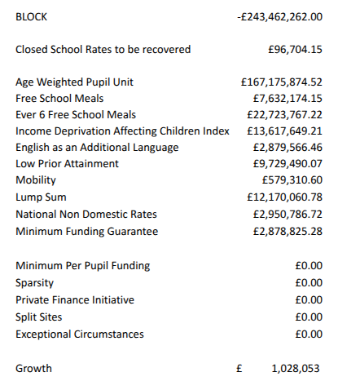

I hope the information on this tab has helped your understanding of the 2026/27 Hackney school budget allocations but further queries from Hackney schools are welcome at chris.scott@hackney.gov.uk

